Sheet1
 |  | Document No. | Issue No. | Issue Date |  | Review and Replace Date |  | Authorised By
 |  | GFF292MC | 1 | 2022-04-08 |  | New Issue |  | Magda Shah
 |  | Document Title | 20 Vegetable Samosa Large 2000g

Document amendments reason for change |  | Document | Page 1 of 1 |  | Previous Issue Date |  | New issue | Uncontrolled copy unless signed original

CVSAL-B20B | Gazebo (BULK-SNACKS) |  | 20 Vegetable Samosa Large 2000g
STEP 1 |  |  |  |  | STEP 2
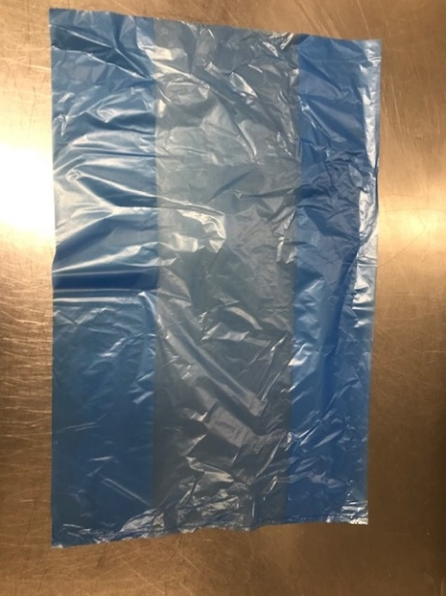 |  |  |  |  | 
Non Gas

Tray: Blue Tint Bags(13"W x 15"L x 45mu)(PKSEE002-03) |  |  |  |  | Vegetable Samosa Large 100g (GFF003R): 20 Pieces (2000g)

STEP 3
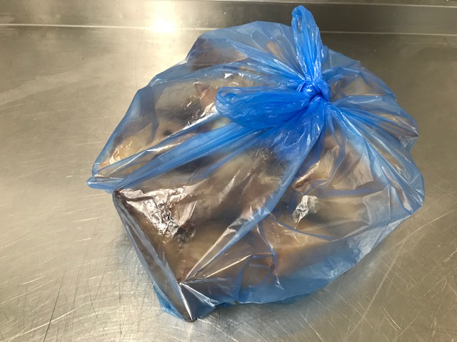
Pack + 10 Days

TOTAL WEIGHT: 2000g

ALLERGY ALERT: WHEAT

